Bias calculation
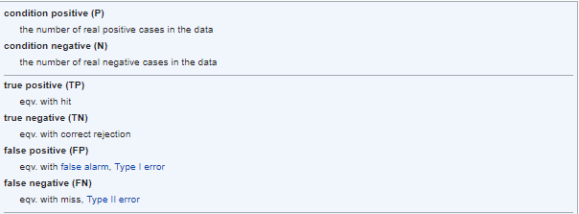
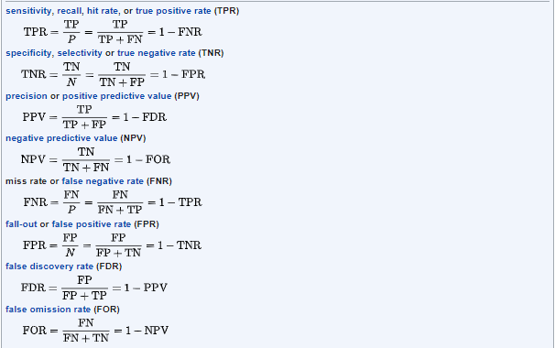
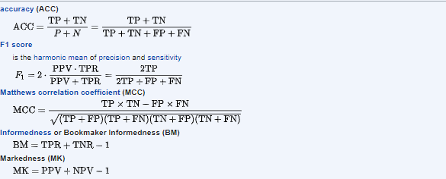
Boosted Model | Actual_1 | Actual_2 | Actual_3
Predicted_1 | 4 | 0 | 1
Predicted_2 | 0 | 4 | 2
Predicted_2 | 0 | 0 | 6
Total | 17
Positive Predictive Values | 0.8000
Negative Predictive Values | 0.6667
Accuracy | 0.8235

Decision Tree Model | Actual_1 | Actual_2 | Actual_3
Predicted_1 | 3 | 0 | 2
Predicted_2 | 0 | 4 | 2
Predicted_2 | 1 | 0 | 5
Total | 17
Positive Predictive Values | 0.6000
Negative Predictive Values | 0.6667
Accuracy | 0.7059

Random Forest Model | Actual_1 | Actual_2 | Actual_3
Predicted_1 | 3 | 0 | 1
Predicted_2 | 0 | 4 | 1
Predicted_2 | 1 | 0 | 7
Total | 17
Positive Predictive Values | 0.7500
Negative Predictive Values | 0.8000
Accuracy | 0.8235

Positive Predictive Values = Sensitivity, which measures the proportion of actual positives that are correctly identified as such (e.g., the percentage of sick people who are correctly identified as having the condition).
Negative Predictive Values = Specificity, which measures the proportion of actual negatives that are correctly identified as such (e.g., the percentage of healthy people who are correctly identified as not having the condition)
For practical reasons, tests with sensitivity and specificity values above 90% have high credibility, albeit usually no certainty, in differential diagnosis.

